Sheet2
STYLE | COL | COLOR | S | M | L | XL | 2XL | 3XL | TOTAL

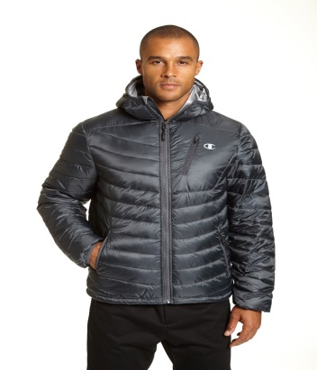
CH2023PP | SEB | SEABOTTOM |  | 141 | 289 | 243 | 1 |  | 674
CH2023PP | GHR | GRANITE HEATHER |  | 125 | 244 | 193 |  |  | 562
CH2023PP | CMO | CAMO PRINT |  | 132 | 244 | 197 |  |  | 573
CH2023PP | 1 | BLACK |  | 222 | 477 | 363 |  | 10 | 1072
CH2023PP | 301 | OLIVE |  |  | 15 | 21 | 5 |  | 41
CH2023PP | SBY | SLEATH GREY | 51 | 151 | 177 | 92 | 26 |  | 497

 |  |  |  |  |  |  |  |  | 3419

